Case #1
Justin Pope Dev Test
Test Case No. |  | 1
Process |  | Verify new procedure
Test Consideration |  | SQL Server Management Studio
Test Condition |  |  | Data Used | How To Verify | Actual Results
Tasks
1 |  | Execute Old Procedure | Using Schedule ID C221205-04 | execute procedure on SQL08 and review the business object | PORTOI object creates bad orders
 | 2 | Execute New Procedure | Using Schedule ID C221205-04 | execute procedure on SQL08 and review the business object
Configuration/Data Setup for Testing Scenario
 |  | off of JobClassification C221205-04 and job S edited the WipJobAllMat record for the stockcode FRAME-SCH-961 modifing the Warehouse setting the Warehouse to CL-RAW

Verification

Test Cast Screens Shots Before and After

 |  | Job set up with material

 |  | Bad xml gemerated for PORTOI
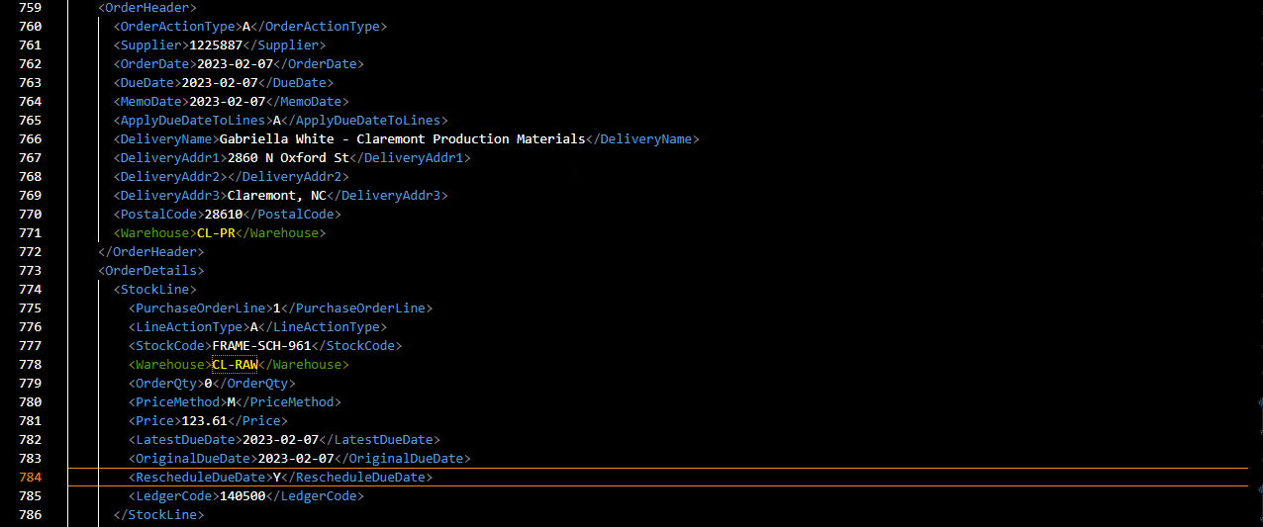

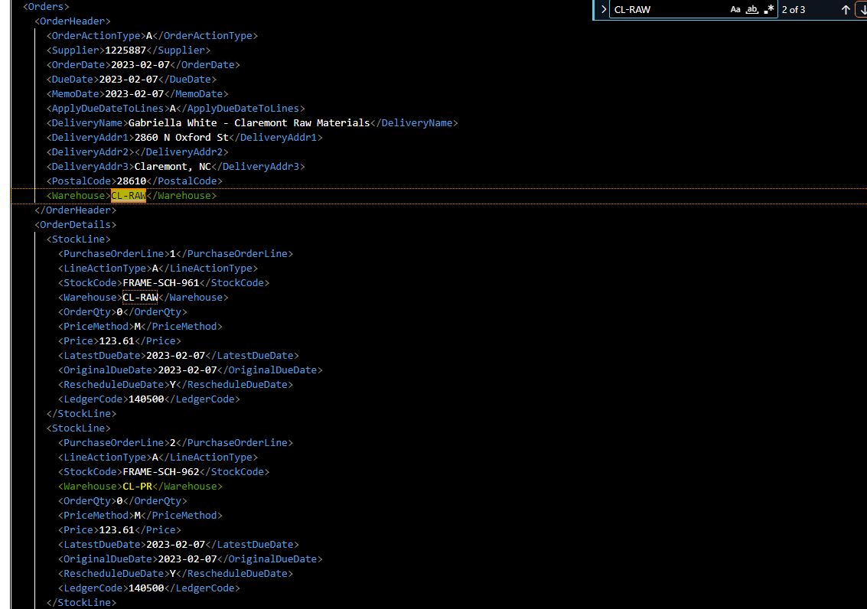

 |  | The issue with the above xml is that the object is creating two order for the supplier 1225887 with Warehouse CL-RAW and CL-PR. Further examination of the object shows that the two orders contains the same items. This object can be viewed from BAD_Schedule_C221205_04.xml

 |  | Procedure generates good data.

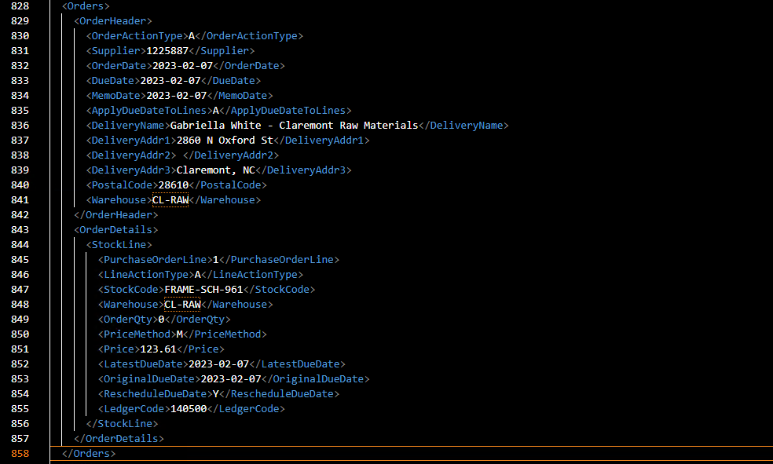

 |  | This snippet from the object shows that the items within an order are divided up by supplier and warehouse now. GOOD_Schedule_C221205_04.xml

